Terms to Know
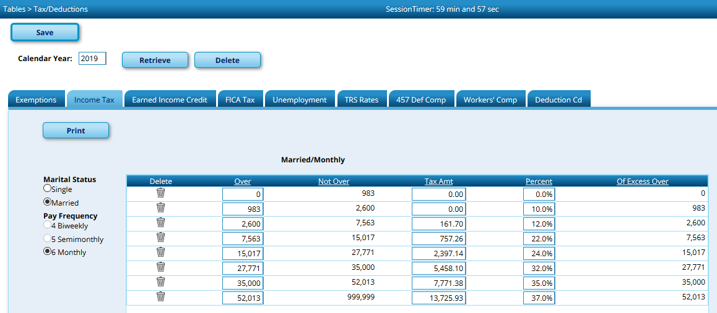
Calculating Payroll Taxes

Total Gross = Standard Gross + Supplemental Pay
Withholding Gross = Total Gross - TRS Salary Reductions - Café 125 premiums
Café 125 = option that allows some premiums to be deducted from taxable income
TRS Salary Reduction = Amount of total TRS paid by the employee
Exemption amount for 2019: $4200 per year ($350. per month)
Exemptions for 2020 if new W-4 completed: $2000 for dependents under age of 18; $500 for all others

Income tax table for 2019, Marital Status Single, Pay Fequency 6 (monthly)

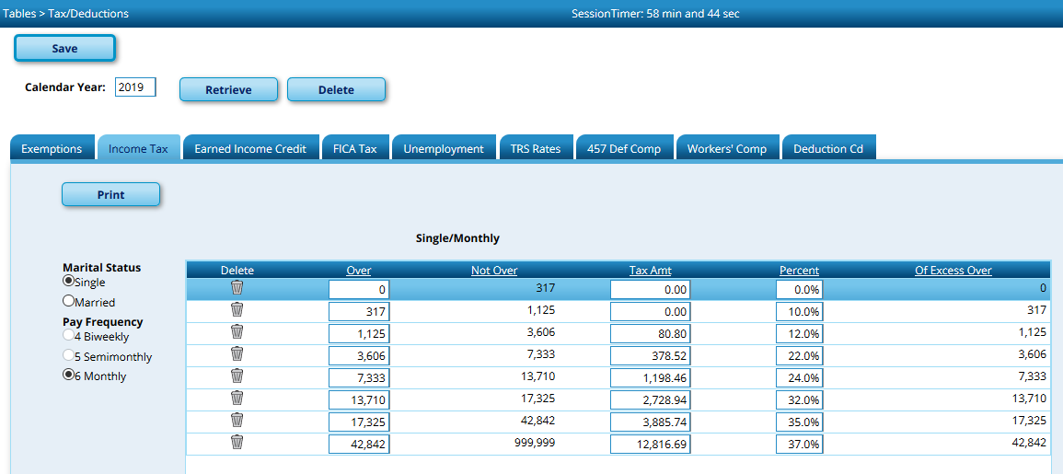

Income tax table for 2019, Marital Status Married, Pay Fequency 6 (monthly)

2019 Married+Exemption+Deducts
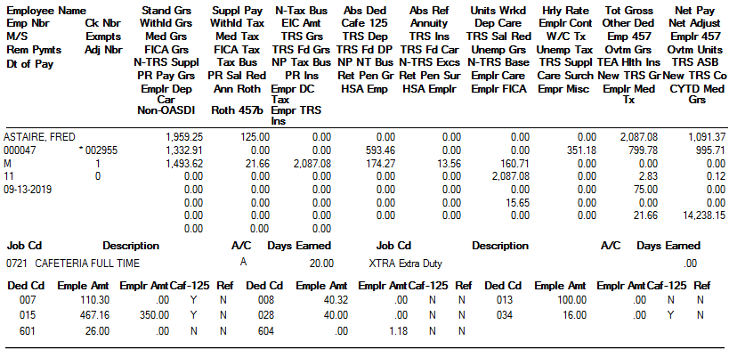
Example of tax calculations for employee filing Married with Café 125 Deductions and 1 Exemption:

Fred Astaire

Standard Gross | $1,959.25 | Supplemental Pay + Overtime | $127.83 | Total Gross | $2,087.08
TRS Salary Red. | $160.71 | Café 125 Deductions + Annuities | $593.46 | Total Non-Tax Deductions | $754.17
 |  |  |  | Withholding Gross | $1,332.91

$1332.91 falls between 983 and 2600 so base tax = $0.00 + 10% on amounts over 983.00 |  |  |  |  | $0.00
1332.91 - 983.00 = | $349.91 | less $350 for each exemption (1) |  | 349.91 - 350.00 = -.09 | $0.00
 |  |  |  | Total Withholding | $0.00

2019 Single+Cafe Deduct+Annuity
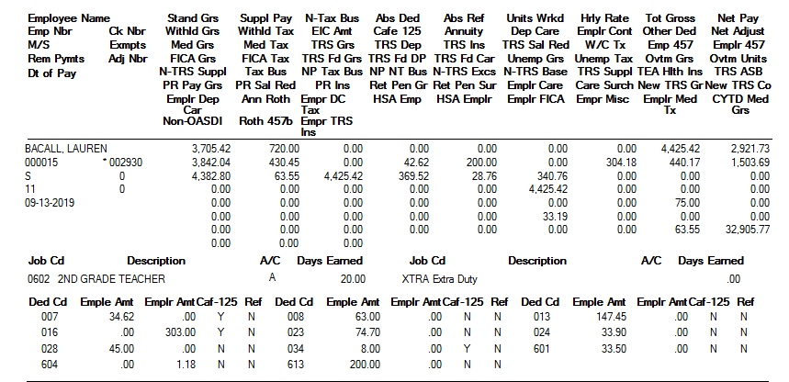
Example of tax calculations for employee filing Single with Café 125 Deductions and an Annuity:

Lauren Becall

Standard Gross | $3,705.42 | Supplemental Pay | $720.00 | Total Gross | $4,425.42
TRS Salary Red. | $340.76 | Café 125 Deductions + Annuities | $242.62 | Total Non-Tax Deductions | $583.38
 |  |  |  | Withholding Gross | $3,842.04

$3842.04 falls between $3606.00 and $7333 so base tax = 378.52 |  |  |  |  | $378.52
Amount over 3606 = $236.04. |  | 236.04 X 22% = | $51.92 |  | $51.92
 |  |  |  | Total Withholding | $430.44

2020 Married Comparison
Example of 2019 tax calculations for employee filing Married with Café 125 Deductions and 1 Exemption: |  |  |  |  |  | Example of 2020 tax calculations for employee filing Married with Café 125 Deductions and 1 Exemption under age of 17:

Fred Astaire |  |  |  |  |  | Complete the fields in Green only

Standard Gross | $1,959.25 | Supplemental Pay + Overtime | $127.83 | Total Gross | $2,087.08 | 1a | Taxable Wages | $1,332.91
TRS Salary Red. | $160.71 | Café 125 Deductions + Annuities | $593.46 | Total Non-Tax Deductions | $754.17 | 1b | # Annual Pay Periods | 12
 |  |  |  | Withholding Gross | $1,332.91 | 1c | Multiple 1a & 1b | $15,994.92

 |  |  |  |  |  | Did the employee sign new W-4? |  | Y
$1332.91 falls between 983 and 2600 so base tax = $0.00 + 10% on amounts over 983.00 |  |  |  |  | $0.00
1332.91 - 983.00 = | $349.91 | less $350 for each exemption (1) |  | 349.91 - 350.00 = -.09 | $0.00 | Complete 1d-1i if employee submitted new 2020 W-4
 |  |  |  | Total Withholding | $0.00 | 1d | 4(a) from form W-4 | $0.00
 |  |  |  |  |  | 1e | Add lines 1c & 1d | $15,994.92
 |  |  |  |  |  | 1f | 4(b) from form W-4 | $0.00
 |  |  |  |  |  | 1g | Enter 12600 for married or 8400 otherwise | $12,600.00
 |  |  |  |  |  | 1h | Add lines 1f & 1g | $12,600.00
 |  |  |  |  |  | 1i | Subtract 1h from 1e (if zero or less, enter 0) | $3,394.92
 |  |  |  |  |  |  | OR
 |  |  |  |  |  | Complete 1j-1l only if no new W-4 received
 |  |  |  |  |  | 1j | # of allowances on most recent W-4
 |  |  |  |  |  | 1k | Multiply 1j by $4200
 |  |  |  |  |  | 1l | sSubtract line 1k from 1c.

 |  |  |  |  |  | 2a | Enter amount from line 1i or 1l above | $3,394.92
 |  |  |  |  |  | 2b | Enter column A from chart | $0.00
 |  |  |  |  |  | 2c | Enter amount from column C of that row | $0.00
 |  |  |  |  |  | 2d | Enter percentage from column D of that row | 0.00%
 |  |  |  |  |  | 2e | Subtract line 2b from line 2a | $3,394.92
 |  |  |  |  |  | 2f | Multiply line 2e by 2d | $0.00
 |  |  |  |  |  | 2g | Add lines 2c and 2f | $0.00
 |  |  |  |  |  | 2h | Divide by number of pay periods (line 1b) | $0.00

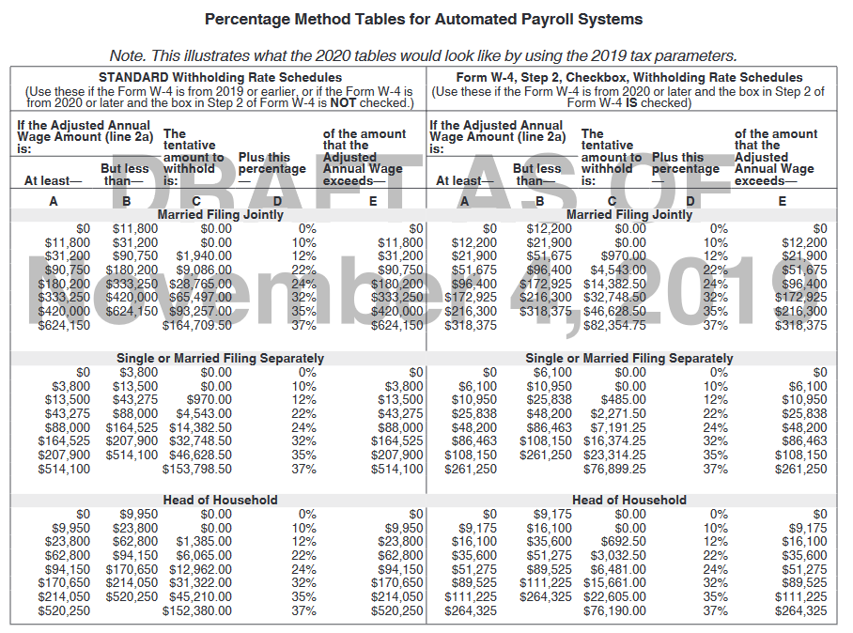
 |  |  |  |  |  | 3a | Enter amount from Step 3 of form W-4 | $0.00
 |  |  |  |  |  | 3b | Divide line 3a by 1b | $0.00
 |  |  |  |  |  | 3c | subtract 3b from 2h | $0.00

 |  |  |  |  |  | 4a | Enter amount from Step 4c from form W-4 | $0.00
 |  |  |  |  |  | 4b | Add 3c and 4a. This is the withholding amount | $0.00

